AXISONF
AXISONF | Axis Overnight Fund

 | Monthly Portfolio Statement as on December 31, 2025
 | Name of the Instrument | ISIN | Industry / Rating | Quantity | Market/Fair Value (Rs. in Lakhs) | % to Net Assets | YTM~ | YTC^
 | Money Market Instruments
 | Treasury Bill
TBIL2535 | 182 Days Tbill (MD 15/01/2026) | IN002025Y164 | Sovereign | 15,000,000 | 14,969.85 | 1.47% | 5.25%
TBIL2456 | 364 Days Tbill (MD 01/01/2026) | IN002024Z388 | Sovereign | 11,500,000 | 11,500.00 | 1.13% | 5.28%
TBIL2532 | 182 Days Tbill (MD 08/01/2026) | IN002025Y156 | Sovereign | 10,000,000 | 9,989.94 | 0.98% | 5.25%
TBIL2538 | 182 Days Tbill (MD 22/01/2026) | IN002025Y172 | Sovereign | 5,000,000 | 4,984.95 | 0.49% | 5.25%
TBIL2577 | 91 Days Tbill (MD 23/01/2026) | IN002025X307 | Sovereign | 5,000,000 | 4,984.08 | 0.49% | 5.30%
TBIL2543 | 182 Days Tbill (MD 29/01/2026) | IN002025Y180 | Sovereign | 5,000,000 | 4,979.95 | 0.49% | 5.25%
TBIL2568 | 91 Days Tbill (MD 02/01/2026) | IN002025X273 | Sovereign | 2,500,000 | 2,499.64 | 0.25% | 5.35%
 | Sub Total |  |  |  | 53,908.40 | 5.29%
 | Total |  |  |  | 53,908.40 | 5.29%
 | Reverse Repo / TREPS
REP20_311225 | Clearing Corporation of India Ltd |  |  |  | 334,506.84 | 32.81% | 5.65%
REP19_311225 | Clearing Corporation of India Ltd |  |  |  | 304,418.72 | 29.86% | 5.90%
REP21_311225 | Clearing Corporation of India Ltd |  |  |  | 224,297.82 | 22.00% | 5.60%
REP22_311225 | Clearing Corporation of India Ltd |  |  |  | 83,398.94 | 8.18% | 5.55%
TRP_010126 | Clearing Corporation of India Ltd |  |  |  | 18,986.51 | 1.86% | 5.29%
 | Sub Total |  |  |  | 965,608.83 | 94.72%
 | Total |  |  |  | 965,608.83 | 94.72%
 | Net Receivables / (Payables) |  |  |  | (29.94) | (0.01)%
 | GRAND TOTAL |  |  |  | 1,019,487.28 | 100.00%

 | ~ YTM as on December 31, 2025
 | ^ YTC represents Yield to Call provided by valuation agencies as on December 31, 2025. It is disclosed for Perpetual Bond issued by Banks (i.e. AT-1 Bond / Tier 1 Bond / Tier 2 Bond), as per AMFI Best Practices Guidelines Circular no. 135/BP/91/2020-21 read with SEBI circular No. SEBI/HO/IMD/DF4/CIR/P/2021/034 on Valuation of AT-1 Bonds and Tier 2 Bonds.
 | As per SEBI Circular no. SEBI/HO/IMD/PoD1/CIR/P/2024/106 dated August 05, 2024, valuation of AT-1 Bonds are done on Yield to Call basis w.e.f. August 07, 2024. YTC of AT-1 Bonds are now same as it’s YTM and hence it is not disclosed separately under YTC.

 |  | Benchmark Name - NIFTY 1D RATE INDEX
 | Scheme Risk-O-Meter | Benchmark Risk-O-Meter
 | 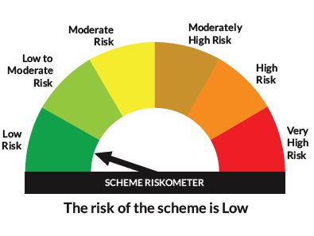 | 

